Instructions and Keys
Instruction
Sampling scheme - select one that fits your resources
 | Establish 9 sampling locations, evenly spread across the vineyard block (please see below)
 | Some scouting form prefers to use random locations, but based on how diseases progress over space, even sampling (or stratified random) is known to be better.

Detailed | At each location, inspect 10 random leaves and clusters per vine, across 3 randomly selected vines. (= 270 total leaves/clusters inspected)
Moderate | At each location, inspect 6 random leaves/clusters per vine, across 3 randomly selected vines (= 162 total leaves/clusters inspected)
Minimum | At each location, inspect 2 random leaves/clusters per vine, across 3 randomly selected vines (= 54 total leaves/clusters inspected)

You will assess disease incidence (=yes/no) per leaf or cluster. Make sure to take a time to examine both upper and lower surfaces.
If you use the table in the second tab, enter the total per location, and it will calculate an average for you.
Then enter the average to GrapeIPM.org (under Events)
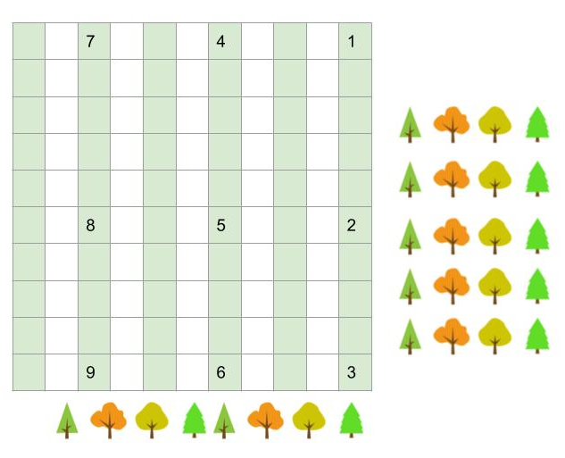
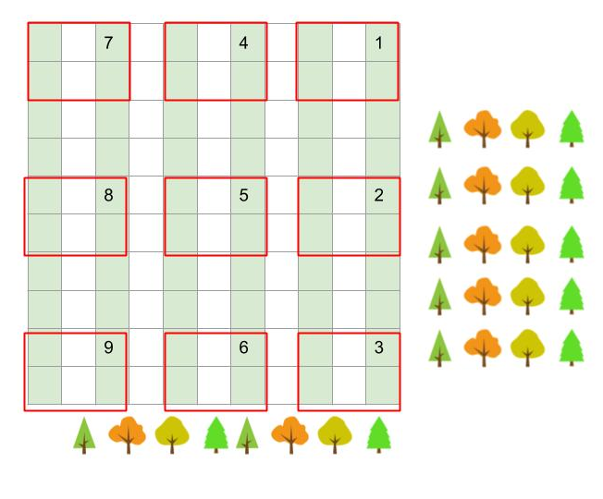
Keys
Insects
CCW = Climbing cut worm
GFB = grape flea beetle
GBM = Grape berry moth
GLH = grape leaf hopper
Mites
GCG = grape cane girdler
GRB = Grape root borer
FF/SWD = fruit flies including Spotted wing
BMSB = Brown marmorated stink bug
JB = Japanese beetle
MB = mealybugs

Diseases
PH = Phomopsis
AN = Anthracnose |  | Vineyard sampling examples: green vertical lines are rows, and numbers in the cell indicate sampling locations.
PM = Powdery mildew |  | You select 3 random vines from each section of a row (fig on the left)
BR = Black rot |  | Or, you select 3 random vines from the general area, in the red rectangles in the fig. on the right
DM = Downy mildew
Bot = Botrytis
NAGY = grapevine yellow
Virus = general virus symptoms
Cwn. Gall = crown gall
PD = Pierce's Disease
Die back = Botryosphaeria or other dieback

SR = Sour rot
RR = Ripe rot
MR = Macrophoma rot

